MIS KPI
Conditions for open problem:
analyst rootcause / coutermeasure.
frequency , repeated issue from same team , impact
Template / Request type | Category | Subcategory | item (Issue Type) | Area name (free text) | Direct Cause (Data Governance) | Resolution | Problem | KPI | Prioirty
Data Issue | Data Reporting | PowerBI | Compleness (invalid format , null) เข้าครบ แต่ไม่สมบูรณ์ | report name | Data model Visualization |  |  | Gift / Kong
 |  |  |  |  |  |  |  | Gift / Kong
 |  | Superset
 |  | Other Report (e-mail )
 |  | Sharepoint |  | schema name |  |  |  | user mistake
 |  | VLC DataMart |  |  |  |  |  | Kong / Jack
 |  | DE DataMart |  |  |  |  |  | de mistake
 |  | PowerBI | Validity (wrong cal , wrong info) เข้าครบแต่ไม่ถูก | report name | Logic implemented incorrectly Human input incorrectly Data Consistency |  |  | Gift / Kong
 |  | Superset |  |  |  |  |  | Gift / Jack
 |  | Other Report (e-mail ) |  |  |  |  |  | Gift
 |  | Sharepoint |  | schema name |  |  |  | user mistake
 |  | VLC DataMart
 |  | DE DataMart
 |  | VLC Airflow | Timeliness (Data delay ,Data fail) เข้าไม่ครบหรือไม่เข้าเลย | job name | Job Scheduling delay |  |  | Jack
 |  | DE Airflow |  |  | DAG failure |  |  | de mistake
 |  | Configuration |  |  | Others |  |  | kong
 |  | PowerBI | System Error | system name | Capacity limit
 |  | Perx |  |  | ETL load from source system Job Delay
 |  | CRM Portal
 |  | SuperApp
 |  | Snowplow
 |  | Medusa
 |  | Huawei
 |  | Appflyer
 |  | Kbank
Data Request |  | Analysis & Recurring reprot | Onetime analysis
 |  |  | Recurring report
 |  | Lead | Lead (Normal Message)
 |  |  | Lead (Need Exclude PDPA)
 |  | Data Support | Data Support
 |  | Dashboard | Usage Training
 |  |  | Minor Enhancement
 |  |  | New requirement
 |  |  | Custom Logic request

Data Quality Monitoring
ProActive Data Quality Tracking
Data Quality Dimensions
Completeness: ความครบถ้วน เช่น cid not null
Consistency: ความสอดคล้อง (condition/compare) เช่น cid table1= cid table2
Integrity: ความสอดคล้องในการอ้างอิงข้อมูล (FK)
Timeliness: อัพเดททันเวลาหรือไม่
Freshness: ข้อมูลล่าสุดแล้วหรือไม่
Validity: ความถูกต้องตามกฎ Business format (F% / CUS%)
Accuracy : ความถูกต้อง เช่น เบอร์ 080-xxx-xxxx ไม่มั่ว / วันเกิด 10/02/9999

MIS Overview
Report
Data Platform

Data Pipeline
ETL from DE to VLC
Tool management
Business Logic
Communication
Delivery

Dashboard - solution design
Dashboard - review , dev support
MIS Manage - Task and timeline
Dashboard dev
Monitoring
Configuration
Selfservice mart
Airflow(Scheduling)
VLC Mart (Team)
Data Pipeline

User mistake
BI Capacity limit
15 May
To propose
*Items for Data Quality Tracking
*Regular meeting to present above tracking
DE Airflow
DE Mart
Source system fail

Governance

UAM
RBAC
Meta Data
Incident/ Request Management
Usage Management

Chat to data

implement

Data Quality
Data Model
Data visualization
Business logic -> Data solution
VLC Mart
VLC Airflow
Data solution-> Data implementation
Monitoring
Configulation
Self service mart
2

1

Quality Monitoring

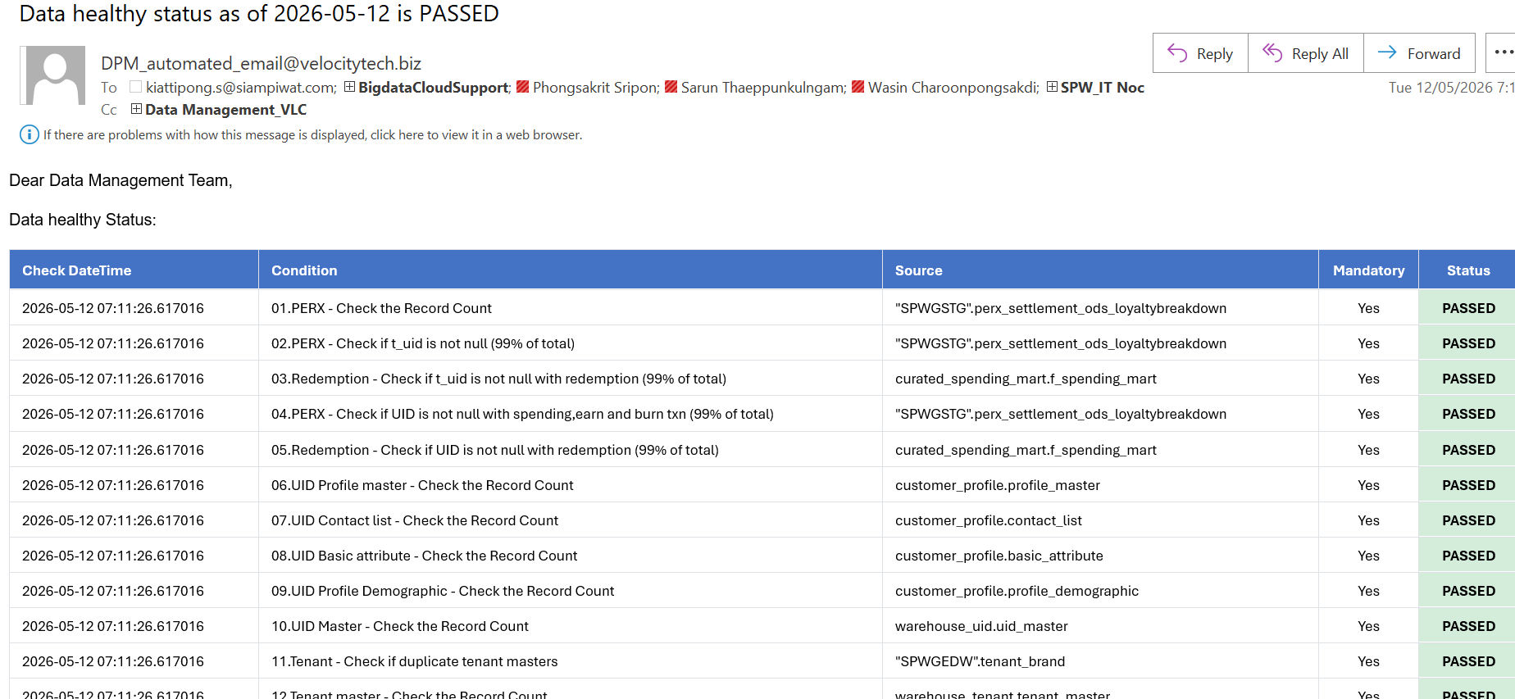

Data Health Check
-BI Dashboard:
-Automate Report:

DE Airflow
DE Mart

